Dashboard
CCL Products
Market
Portfolio

Average Daily Return
0.13%
StDev of Return
2.14%
Average Daily Return
0.028%
StDev of Return
0.92%
Average Daily Return
0.122%
StDev of Return
1.57%

Portfolio
 | Company
Tata Coffee | 0.20
Bombay Burmah | 0.20
Goodricke Group | 0.20
Jay Shree Tea | 0.20
Harri. Malayalam | 0.20
 | Return Portfolio | Return CCL Products
9/29/2023 | 0.8373% | 1.76%
9/28/2023 | -1.1716% | 0.34%
9/27/2023 | 1.8839% | -1.79%
9/26/2023 | -0.2598% | 1.27%
9/25/2023 | 0.3984% | 2.64%
9/22/2023 | -0.3895% | 0.01%
9/21/2023 | -0.9387% | -1.10%
9/20/2023 | 3.4210% | -4.43%
9/18/2023 | -1.5640% | -2.73%
9/15/2023 | -0.7722% | 0.68%
9/14/2023 | 2.9069% | 0.47%
9/13/2023 | 3.7260% | -0.20%
9/12/2023 | -3.8984% | -2.65%
9/11/2023 | -0.4495% | 1.80%
9/8/2023 | 2.2567% | 2.03%
9/7/2023 | 0.1749% | 2.88%
9/6/2023 | 1.6663% | 2.04%
9/5/2023 | 0.5466% | 2.19%
9/4/2023 | 3.8027% | 1.84%
9/1/2023 | 0.0784% | -0.29%
8/31/2023 | -0.0739% | -0.02%
8/30/2023 | 0.5615% | -0.84%
8/29/2023 | -0.5348% | 2.68%
8/28/2023 | 0.2014% | -1.92%
8/25/2023 | -2.2751% | -0.57%
8/24/2023 | 1.7545% | 0.02%
8/23/2023 | -0.1201% | -0.22%
8/22/2023 | 1.3101% | 0.53%
8/21/2023 | 1.7304% | 0.40%
8/18/2023 | -1.1041% | -1.56%
8/17/2023 | 2.8286% | 1.75%
8/16/2023 | 0.3087% | 0.56%
8/14/2023 | 0.1282% | -0.54%
8/11/2023 | -1.3292% | -1.14%
8/10/2023 | -1.0751% | 0.11%
8/9/2023 | 0.4534% | 1.46%
8/8/2023 | -0.3547% | -1.69%
8/7/2023 | -0.5455% | -0.65%
8/4/2023 | 0.9603% | -0.51%
8/3/2023 | -1.2647% | 0.53%
8/2/2023 | -1.2573% | 0.05%
8/1/2023 | 0.5851% | 0.23%
7/31/2023 | 0.2325% | 0.42%
7/28/2023 | 0.1694% | -0.84%
7/27/2023 | -0.8318% | 0.70%
7/26/2023 | 0.2311% | 0.50%
7/25/2023 | -0.4175% | -1.92%
7/24/2023 | 0.4890% | -0.86%
7/21/2023 | 0.2752% | 2.57%
7/20/2023 | 0.1852% | -1.26%
...

Beta of CCL Products
0.886
Beta of Portfolio
0.251

Revenue Growth %
 | Revenue Growth %
FY21 | 9.1
FY22 | 17.6
FY23 | 41.7
Rev Growth Graph
EBITDA Growth%
 | EBIT Growth%
FY21 | 20
FY22 | 18.7
FY23 | 16.2
Ebit growth graph
EBITDA Growth%
 | EBITDA Growth%
FY21 | 4.3
FY22 | 11.1
FY23 | 20.8
Ebitda growth graph
EBITDA Growth%
 | Gross Margin%
FY21 | 52.5
FY22 | 50.6
FY23 | 45.5
Gross Margin growth graph

Total Assets FY23
2596.93Cr
Current Ratio FY23
1.49
EV/EBITDA FY23
20.8Cr
Basic EPS FY23
12.62Rs
Total RevenueA FY23
1376.24Cr
Average Daily Return
0.13%

About The Company:
Incorporated in 1993, Based at Andhra Pradesh, CCL Products (CCL) is one of the largest manufacturer & exporter of instant coffee globally. The company has installed manufacturing capacity base of 38500 MTPA as on FY22 across India and Vietnam facility. The company manufactures range of coffee through processing of green coffee beans which is procured across the world. It manufactures over 900+ blends of coffee. During FY16, the company also entered India's branded instant coffee market via launch of own brand ‘Continental” through its wholly owned subsidiary i.e. “Continental Coffee private Ltd”. The company’s domestic business is also engaged in private label sales and institutional sales. CCL derives more than ~85% of its revenue from overseas market and rest is contributed from domestic business. On export side, the company generates majority of its revenue from repacker/reseller (~75-80%) who buy in bulk quantity & they in turn sell to global brand owners in smaller pack forms whereas company also supplies directly to global brand owner in small pack forms & this contributes balance 20-25% of revenue. On domestic side, the B2C business generates 70% of revenue whereas balance 30% comes from private label and institutional sales. Geographically, the company’s exports to more than 90 countries which include key markets like Europe followed by Russia, US and ASEAN countries. It also sells to nearby markets like China, Malaysia etc. Some of the CCL global customers includes: Strauss Coffee, JDE PT Group, Mokate, MTV TNI, LMZ Solube coffee. CCL enjoys ~11% market share in global instant coffee private label market size of ~5lac MTPA. CCL is also largest exporter of instant coffee from India with volume market share range between 30-35%.

Industry Overview:
The global coffee market has grown in size by more than 71% over the past two decades, with total coffee consumption increasing from around 98 million bags (60 kg per bag) in the early 1990s to 170.3 million bags in crop year 2021-22, which translates into ~2.5-3% growth p.a. In last 2-3 years, the global supply of coffee trails demand by ~1% due to lower than expected harvest from top grower i.e. Brazil, which is aid to higher coffee prices on YoY basis. Despite the dominance of fresh coffee (roast & ground) in the coffee industry, instant coffee is gradually becoming popular all over the world. Over last one decade, share of instant coffee consumption has increased from ~25% to ~35% whereas share of ground & roasted coffee consumption decline from ~75% to ~65% due to following reasons. The total instant coffee volume market size is estimated around ~10-11Lac MTPA, which is largely dominated by Nestle and Kraft Foods which comprise around 50% of the market. According to estimate, Nestle Ltd alone supplies 30% of the world’s total instant coffee volumes. However, local retail brand owners & supermarkets are competing against top 2-3 giants by taking help of coffee processor expertise. As on date, the private label volume market size is ~5lac MTPA. The global export players in private label industry are CCL products, Tata Coffee, Olam International, DEK, Cacique etc. Further, the domestic instant coffee market size stands at Rs 2.5bn which is growing at 10-15% p.a.

Major Corporate Announcements
...
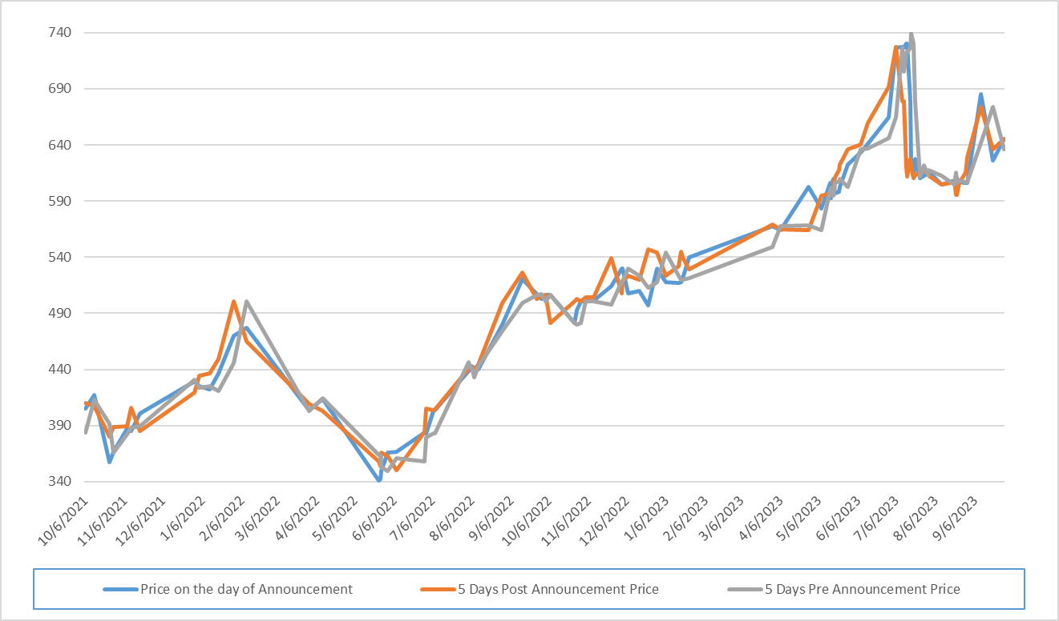
...
Q) State your observations either in support or rejection of EMH based on whether the share price moves significantly near the announcement dates.
Based on the analysis of CCL Product's stock prices surrounding corporate announcements, it is evident that there is minimal abnormality in the 5 days prior price, current price on the announcement date, and 5 days post announcement price. This finding has implications for our understanding of the Efficient Market Hypothesis (EMH). The minimal abnormal returns observed in the stock prices suggest that the market quickly incorporates new information, aligning with the principles of the Efficient Market Hypothesis. In an efficient market, stock prices should reflect all available information, making it challenging for investors to consistently achieve abnormal returns based on historical information or corporate announcements. The consistency in the pattern of minimal abnormality across these timeframes indicates that market participants are swift in adjusting their expectations and valuations in response to new information. This result is in line with the semi-strong form of the Efficient Market Hypothesis, which asserts that stock prices reflect all public information, making it difficult for investors to gain an edge through the analysis of historical data or publicly available announcements.
...

Financial Ratios
Q) What is your opinion about the company's stability based on the critical financial ratios? Try to cover ratios across the spectrum of company analysis. Justify whether a company is a speculative stock or one with strong fundamentals. Also, consider the industry factors discussed during the lectures.
Ratios | FY21 | FY22 | FY23
Growth (%)
Revenue | 9.1 | 17.6 | 41.7
EBITDA | 4.3 | 11.1 | 20.8
Adj. EPS | 10 | 11.9 | 31.6
Margin (%)
Gross | 52.5 | 50.6 | 45.5
Revenue and Profit Growth:
The company has shown consistent revenue and profit growth over the past three years, indicating positive operational performance.
Profitability Ratios:
Margins:
Gross margins have declined over the years, which might indicate challenges in managing production costs.
EBITDA, EBIT, and net profit margins have also declined, suggesting a potential impact on profitability.
Return on Equity (ROE) and Return on Capital Employed (ROCE):
Both ROE and ROCE have shown variability but have remained within a reasonable range, indicating reasonable returns on shareholder equity and capital employed.
Liquidity Ratios:
Both current and quick ratios have declined, indicating a potential decrease in short-term liquidity.
Inventory Turnover:
The inventory turnover ratio has decreased significantly, suggesting potential issues with inventory management.
Coverage Ratios:
Interest Coverage:
The interest coverage ratio has decreased, indicating potentially higher financial risk. A lower ratio might imply challenges in meeting interest obligations.
Valuation Ratios:
EV/EBITDA and Price/Earnings (P/E) Ratio:
EV/EBITDA has increased, indicating a higher valuation compared to earnings.
The P/E ratio is relatively high, which might suggest that the market values the company's future earnings potential.
Price/Book Value (P/B) Ratio:
P/B ratio has increased over the years, indicating an increasing market valuation relative to the company's book value.
Dividend and Retention Ratios:
Dividend Payout Ratio:
The dividend payout ratio has shown variability but is generally reasonable.
Coverage Ratios:
Interest Coverage:
Interest coverage ratios have decreased, suggesting potential challenges in covering interest expenses.
Enterprise Value and Market Capitalization:
Both enterprise value and market capitalization have increased, indicating potential investor interest in the company.
Based on the data for the given period, it can be said that the given stock is not entirely speculative in nature. Over the past three years, the company has experienced a consistent decline in profitability margins, including gross, EBITDA, and net profit margins. This suggests potential challenges in cost management and sustaining profitability. Liquidity concerns arise as both current and quick ratios have decreased, indicating potential difficulties in meeting short-term financial obligations. The significant decrease in inventory turnover raises questions about operational efficiency and cash flow management. Moreover, increasing valuation ratios, such as EV/EBITDA, P/E ratio, and P/B ratio, suggest a higher market valuation relative to earnings and book value. A decrease in retention ratios further limits the company's ability to reinvest in growth opportunities. Additionally, declining interest coverage ratios indicate potential challenges in meeting debt obligations.
However, the company has been paying dividends consistently over the past 10 years and additionally, there is positive trends in sales, profitability, and EPS. The decrease in profitability margins might be due to the implications of the current global scenario. Also, the company has consistently performed better than its peers and shows positive trends in EPS, revenue and EBITDA growth. This suggests that the company has strong fundamentals but is recovering from the post COVID complications.
EBITDA | 24 | 22.6 | 19.3
EBIT | 20 | 18.7 | 16.2
Adj. PAT | 14.7 | 14 | 13.7
Per Share
Basic EPS (Rs.) | 13.7 | 15.36 | 20.21
Diluted EPS (Rs.) | 13.7 | 15.36 | 20.21
Cash EPS (Rs.) | 17.42 | 19.68 | 25
Book Value [ExclRevalReserve]/Share (Rs.) | 81.73 | 94.02 | 111.42
Book Value [InclRevalReserve]/Share (Rs.) | 81.73 | 94.02 | 111.42
Revenue from Operations/Share (Rs.) | 93.4 | 109.9 | 155.7
PBDIT/Share (Rs.) | 22.64 | 25.19 | 30.3
PBIT/Share (Rs.) | 18.92 | 20.87 | 25.51
PBT/Share (Rs.) | 17.65 | 19.65 | 22.93
Net Profit/Share (Rs.) | 13.7 | 15.36 | 20.21
NP After MI And SOA / Share (Rs.) | 13.7 | 15.36 | 20.21
Profitability Ratios
PBDIT Margin (%) | 24.23 | 22.92 | 19.46
PBIT Margin (%) | 20.26 | 18.99 | 16.38
PBT Margin (%) | 18.89 | 17.87 | 14.72
Net Profit Margin (%) | 14.66 | 13.97 | 12.98
NP After MI And SOA Margin (%) | 14.66 | 13.97 | 12.98
Return on Networth/Equity (%) | 16.76 | 16.33 | 18.14
Return on Capital Employed (%) | 19.07 | 19.28 | 19.27
Return on Assets (%) | 10.19 | 9.87 | 10.35
Total Debt/Equity (X) | 0.44 | 0.45 | 0.62
Asset Turnover Ratio (%) | 69.48 | 0.54 | 0.69
Liquidity Ratios
Current Ratio (X) | 1.69 | 1.57 | 1.49
Quick Ratio (X) | 1.01 | 0.75 | 0.8
Inventory Turnover Ratio (X) | 3.89 | 1.35 | 1.57
Dividend Payout Ratio (NP) (%) | 14.59 | 32.54 | 24.73
Dividend Payout Ratio (CP) (%) | 11.48 | 25.4 | 19.99
Earnings Retention Ratio (%) | 85.41 | 67.46 | 75.27
Cash Earnings Retention Ratio (%) | 88.52 | 74.6 | 80.01
Coverage Ratios
Interest Coverage Ratios (%) | 14.85 | 20.49 | 11.72
Interest Coverage Ratios (Post Tax) (%) | 14.85 | 20.49 | 11.72
Valuation Ratios
...

